Figure 1 Number of Persons 65+
Figure 1: Number of Persons Age 65 and Over, 1900 to 2060 (numbers in millions)
1900 | 3.1
1920 | 4.9
1940 | 9
1960 | 16.2
1980 | 25.5
2000 | 35
2016 | 49.2
2020 | 56.4
2040 | 82.3
2060 | 98.2

Figure 1: Number of Persons Age 65 and Over, 1900 to 2060 (numbers in millions)

Figure 1 - this chart shows the large increases in the older population from 3.1 million people in
1900 to 49.2 million in 2016 and projected to 98.2 million in 2060.

Note: Increments in years are uneven.
Source: U.S. Census Bureau, Population Estimates and Projections.

Figure 2 Marital Status
Figure 2: Marital Status of Persons Age 65 and Over, 2017
 | Women | Men
Married | 46% | 70%
Widowed | 33% | 11%
Divorced or Separated/ Spouse Absent | 16% | 14%
Single (never married) | 6% | 5%

Figure 2: Marital Status of Persons Age 65 and Over, 2017

Figure 2 - Chart shows the gender differences as men are more likely to be married (70% to 46%) and women more likely to be widowed (33% to 11%)
Source: U.S. Census Bureau, Current Population Survey, Annual Social and Economic Supplement.

Figure 3 Living Arrangements
Figure 3: Living Arrangements of Persons Age 65 and Over, 2017
 | Men | Women
living with spouse or partner | 72% | 48%
living alone | 20% | 34%
Other | 8% | 18%

Chart 3M of Figure 3: Living Arrangements of Men Age 65 and Over, 2017

Figure 3M shows that 72% of older men live with a spouse and 20% live alone while 8% live in other arrangements.

Chart 3F of Figure 3: Living Arrangements of Women Age 65 and Over, 2017

Figure 3F shows that 48% of older women live with a spouse and 34% live alone while 18% live in other arrangements.

Source: U.S. Census Bureau, Current Population Survey, Annual Social and Economic Supplement.

Figure 4 State Map Percent 65+
Figure 4: Persons Age 65 and Over as a Percentage of Total Population, 2016

State | Percent of all Ages
U.S Total | 15.20%
Alabama | 16.10%
Alaska | 10.40%
Arizona | 16.90%
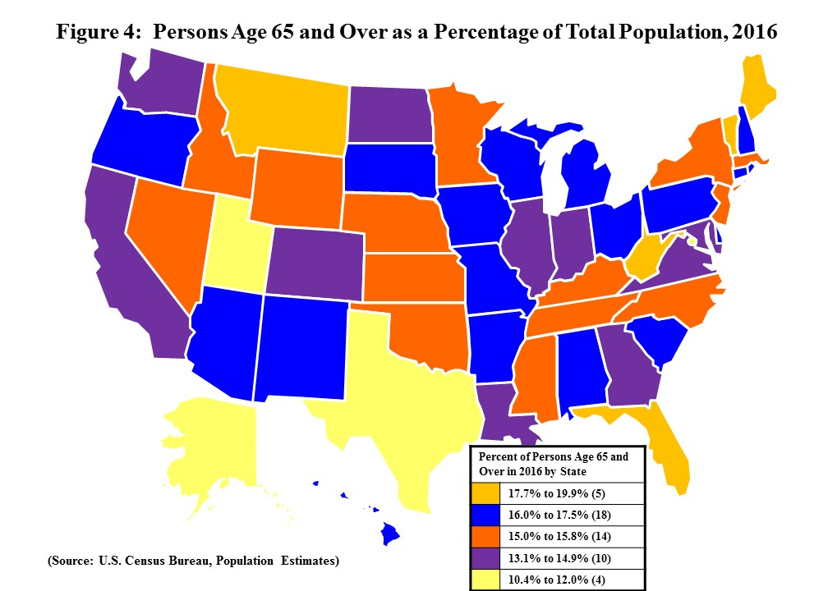
Arkansas | 16.30%
California | 13.60%
Colorado | 13.40%
Connecticut | 16.10%
Delaware | 17.50%
District of Columbia | 11.60%
Florida | 19.90%
Georgia | 13.10%
Hawaii | 17.10%
Idaho | 15.10%
Illinois | 14.60%
Indiana | 14.90%
Iowa | 16.40%
Kansas | 15.00%
Kentucky | 15.60%
Louisiana | 14.40%
Maine | 19.40%
Maryland | 14.60%
Massachusetts | 15.80%
Michigan | 16.20%
Minnesota | 15.10%
Mississippi | 15.10%
Missouri | 16.10%
Montana | 17.70%
Nebraska | 15.00%
Nevada | 15.00%
New Hampshire | 17.00%
New Jersey | 15.30%
New Mexico | 16.50%
New York | 15.40%
North Carolina | 15.50%
North Dakota | 14.50%
Ohio | 16.20%
Oklahoma | 15.00%
Oregon | 16.80%
Pennsylvania | 17.40%
Rhode Island | 16.50%
South Carolina | 16.70%
South Dakota | 16.00%
Tennessee | 15.70%
Texas | 12.00%
Utah | 10.50%
Vermont | 18.10%
Virginia | 14.60%
Washington | 14.80%
West Virginia | 18.80%
Wisconsin | 16.10%
Wyoming | 15.00%
Puerto Rico | 18.90%

Figure 4 is a US state map showing the percent of persons over 65 in the population of each state.
The data may be found in the table in Figure 6.

(Based on online data from the U.S. Census Bureau’s 1) Population Estimates and Projections;
2) American Community Survey; 3) Current Population Survey, Annual Social and Economic Supplement.

Sources: Administration for Community Living, http://www.agid.acl.gov/
Data Source: Population Estimates, accessed January 30, 2018. U.S. Census Bureau, Current Population Survey,
Annual Social and Economic Supplement; Population Estimates; and American Community Survey.

Figure 5 State Map Increase 65+
Figure 5: Percent Increase in Population Age 65 and Over, 2006 to 2016

State | Percent Increase from 2006 to 2016
U.S. Total | 32.50%
Alabama | 28.03%
Alaska | 65.64%
Arizona | 49.98%
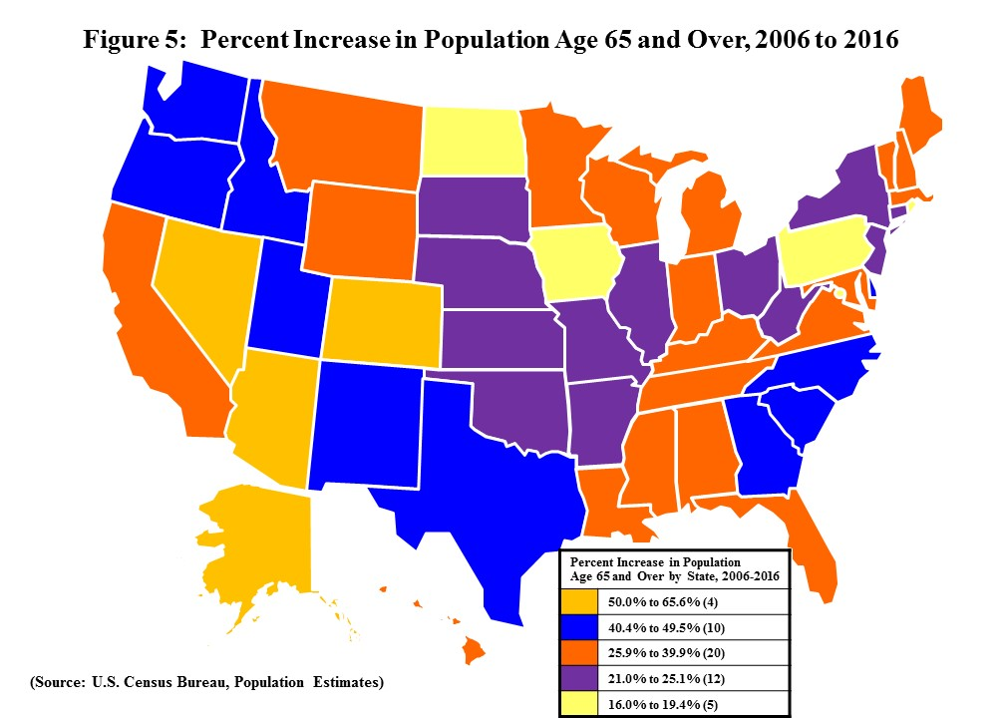
Arkansas | 23.96%
California | 38.13%
Colorado | 54.97%
Connecticut | 21.24%
Delaware | 44.22%
District of Columbia | 19.42%
Florida | 36.34%
Georgia | 49.37%
Hawaii | 37.31%
Idaho | 48.74%
Illinois | 22.81%
Indiana | 25.85%
Iowa | 17.12%
Kansas | 21.68%
Kentucky | 28.34%
Louisiana | 30.88%
Maine | 32.41%
Maryland | 35.62%
Massachusetts | 26.31%
Michigan | 27.00%
Minnesota | 31.78%
Mississippi | 26.03%
Missouri | 24.76%
Montana | 39.45%
Nebraska | 21.56%
Nevada | 57.32%
New Hampshire | 39.91%
New Jersey | 22.14%
New Mexico | 40.36%
New York | 21.79%
North Carolina | 43.06%
North Dakota | 16.04%
Ohio | 22.42%
Oklahoma | 24.23%
Oregon | 42.83%
Pennsylvania | 17.51%
Rhode Island | 17.43%
South Carolina | 49.55%
South Dakota | 25.08%
Tennessee | 35.31%
Texas | 44.03%
Utah | 44.81%
Vermont | 35.24%
Virginia | 39.75%
Washington | 47.16%
West Virginia | 21.04%
Wisconsin | 26.69%
Wyoming | 38.05%
Puerto Rico | 26.30%

Figure 5 is a US state map showing the percent increase from 2006 to 2016 in the older population of each state.
The data may be found in the table in Figure 6.

(Based on online data from the U.S. Census Bureau’s 1) Population Estimates and Projections;
2) American Community Survey; 3) Current Population Survey, Annual Social and Economic Supplement.)

Sources: Administration for Community Living, http://www.agid.acl.gov/
Data Source: Population Estimates, accessed January 30, 2018. U.S. Census Bureau, Current Population Survey,
Annual Social and Economic Supplement; Population Estimates; and American Community Survey.

Figure 7F Family Income
Figure 7F: Percent Distribution of Family Households with Householder Age 65 and Over by Income: 2016
Figure 7: Percent Distribution by Income: 2016
Family Households with Householder Aged 65+
Under $10,000 | 3%
$10,000 - $14,999 | 2%
$15,000 - $24,999 | 9%
$25,000 - $34,999 | 12%
$35,000 - $49,999 | 15%
$50,000 - $74,999 | 20%
$75,000 and over | 38%
$58,559 median for 17.1 million family households 65+
Family Households with Householder Age 65 and Over, 2016

Figure 7F is a chart showing the number of older persons in various categories of family household income for 2016.
A few (5%) are in the two lowest categories (up to $15,000). Most are spread around the middle and upper categories.

Note: Percentages may not add to 100 due to rounding.
Source: U.S. Census Bureau, Current Population Survey, Annual Social and Economic Supplement.

Figure 7P Personal Income
Figure 7P: Percent Distribution by Income of Persons Age 65 and Over Reporting Income: 2016
Persons Age 65 and Over Reporting Income | Percent of Persons
Under $5,000 | 4%
$5,000 - $9,999 | 10%
$10,000 - $14,999 | 16%
$15,000 - $24,999 | 23%
$25,000 - $34,999 | 13%
$35,000 - $49,999 | 12%
$50,000 and over | 22%
$23,394 median for 47.5 million persons 65+ reporting income.

Persons Age 65 and Over Reporting Income, 2016

Figure 7P is a chart showing personal income of older persons. 14% report under $10,000.
About half are in the middle categories ($10,000 to $35,000).
34% have personal incomes of $35,000 or more.

Note: Percentages may not add to 100 due to rounding.
Source: U.S. Census Bureau, Current Population Survey, Annual Social and Economic Supplement.

Figure 8 Health Insurance
Figure 8: Health Insurance Coverage of Non-institutionalized Persons Age 65 and Over, 2016
Type of Coverage | Percentages:
All types coverage | 99%
Total private | 53%
--employment-based | 28%
--direct purchase | 28%
Total government | 94%
--Medicare | 93%
--Medicaid | 7%
--Military | 8%
Not covered | 1%

Figure 8: Percentage of Persons Age 65 and Over by Type of Health Insurance Coverage, 2016

Figure 8 shows the percent of older persons by various types of health insurance.
99% have some type of coverage - note figures are overlapping.
93% have Medicare; 7% have Medicaid. 53% have some type of private insurance as well.

Source: U.S. Census Bureau, Current Population Survey, Annual Social and Economic Supplement.

Figure 9 Disability
Figure 9. Percentage of Persons Age 65 and Over with a Disability, 2016

 | Percent with a disability estimate
Any disability | 35%
Hearing difficulty | 15%
Vision difficulty | 7%
Cognitive difficulty | 9%
Ambulatory difficulty | 23%
Self-care difficulty | 8%
Independent living difficulty | 15%

Figure 9: Percentage of Persons Age 65 and Over with a Disability, 2016
 |  | Percent with a disability estimate
Any disability |  | 35%
Hearing difficulty |  | 15%
Vision difficulty |  | 7%
Cognitive difficulty |  | 9%
Ambulatory difficulty |  | 23%
Self-care difficulty |  | 8%
Independent living difficulty |  | 15%

Figure 9 shows a chart of the percentage of older persons with disabilities.
Among people age 65 and over, 35% have at least one disability.
Other disabilities range from 7% with a vision difficulty to 23% with an ambulatory difficulty.

Source: U.S. Census Bureau, American Community Survey.

